Sheet1
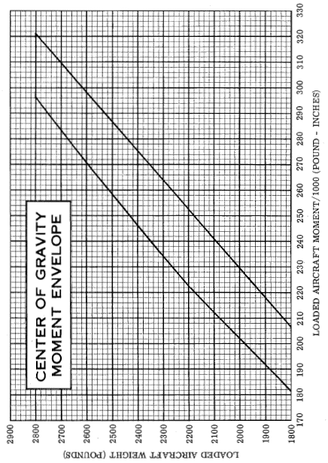
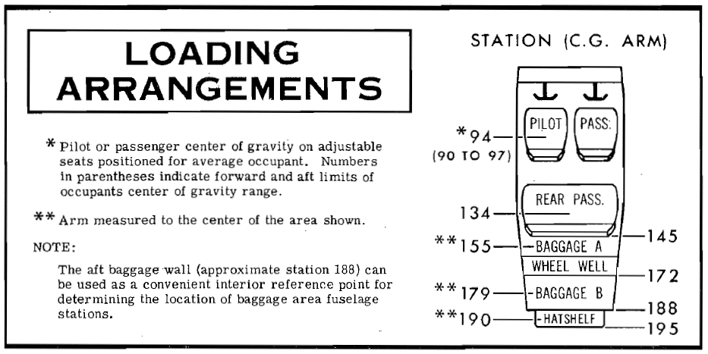
Weight & Balance
CESSNA 177RG

Area | L | Kg | Lb | ARM (In) | IU (Lb.In/1000)
Empty Weight |  | 852.8 | 1880.424 | 104.45 | 196.4
Pilot + PAX |  |  |  | 94
Rear PAX |  |  |  | 134
Fuel (L) |  |  |  | 112.5
Baggage (AREA A) |  |  |  | 155
Baggage (AREA B) |  |  |  | 179
Baggage (Hat Shelf) |  |  |  | 190
TOTALS

 | MTOW | 1270 | 2800

